TEDB Edition 40
Vehicles in fleets of 15 or more are counted as fleet vehicles, as well as vehicles in fleets where five or more vehicles are purchased annually. There are more trucks in fleets than cars in 2021.

Figure 8.1. Fleet Vehicles in Service as of January 1, 2021 (Updated June 2022)
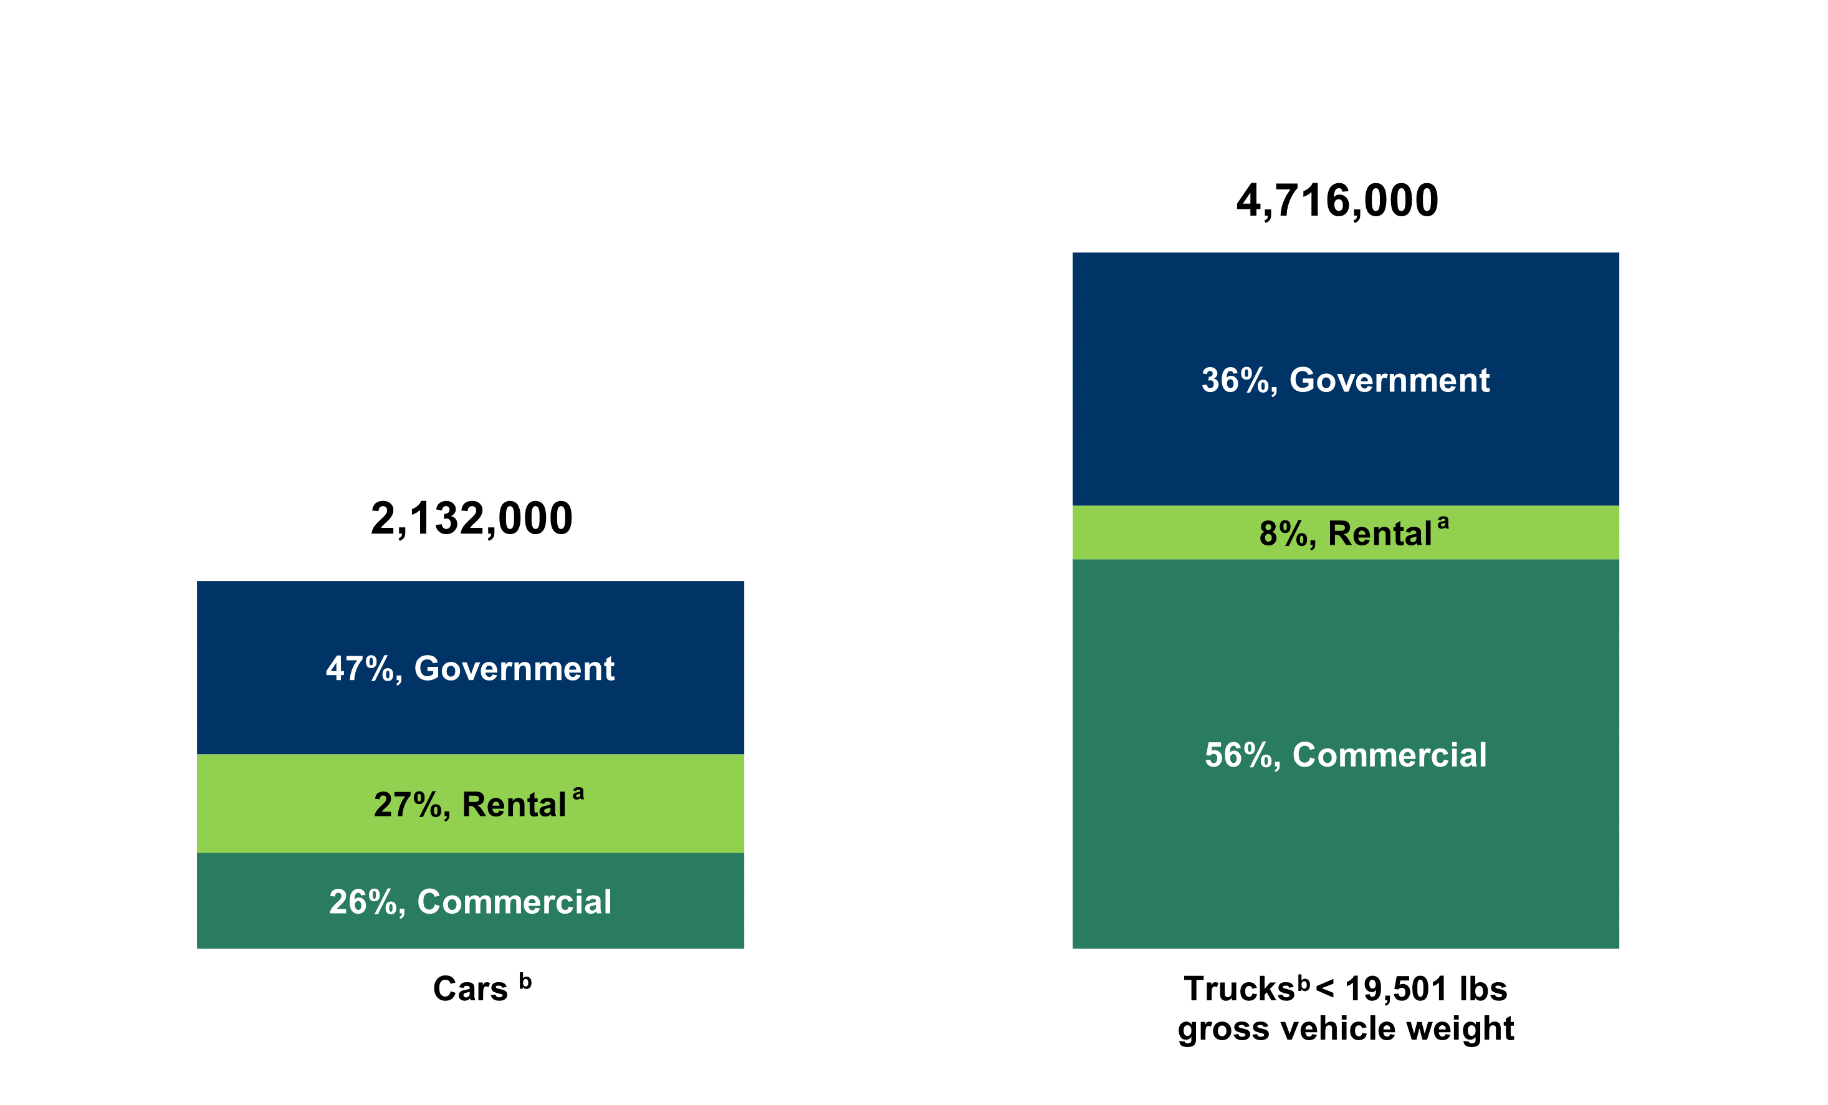

 | Vehicle category | Commercial | Rental | Goverment | Total
 | Cars | 554,000 | 574,000 | 1,004,000 | 2,132,000
 | Trucks <19,501 lbs. | 2,258,000 | 310,000 | 1,469,000 | 4,037,000

 | Source:
 | Bobit Publishing Company, Automotive Fleet Research Department, Automotive Fleet Factbook 2021, Redondo Beach, CA, 2022.

 | a Rental category includes vans and sports utility vehicles under cars, not trucks.
 | b Fleets of 15 or more in operation or 5 or more fleet vehicles purchased annually. Taxi and police fleet data are not available.

